Sheet1
Probability
 | Fair coin
 | P(X=Head) | 0.5
 | P(X=Tail) | 0.5
 |  |  | P(1st trial/Fair coin) | P(2th trial/Fair coin) | Probability
 | H | H | 0.5 | 0.5 | 0.25 | P(HH/Fair coin)
 | H | T | 0.5 | 0.5 | 0.25 | P(HT/Fair coin)
 | T | H | 0.5 | 0.5 | 0.25 | P(TH/Fair coin)
 | T | T | 0.5 | 0.5 | 0.25 | P(TT/Fair coin)

Likelihood
 |  |  | L(P(H={0~1})/HH) | L(P(H={0~1})/HH) | Likelihood
 | H | H | 0 | 1 | 0 | L(H=0,T=1/HH)
Likelihood
 |  |  | 0.05 | 0.95 | 0.0025
 | 동전을 2회 던진 결과 : HH |  | 0.1 | 0.9 | 0.01
 |  |  | 0.15 | 0.85 | 0.0225
 |  |  | 0.2 | 0.8 | 0.04
 |  |  | 0.25 | 0.75 | 0.0625
 |  |  | 0.3 | 0.7 | 0.09
 |  |  | 0.35 | 0.65 | 0.1225
 |  |  | 0.4 | 0.6 | 0.16
 |  |  | 0.45 | 0.55 | 0.2025
 |  |  | 0.5 | 0.5 | 0.25 | L(Fair coin/HH)
 |  |  | 0.55 | 0.45 | 0.3025
 |  |  | 0.6 | 0.4 | 0.36
 |  |  | 0.65 | 0.35 | 0.4225
 |  |  | 0.7 | 0.3 | 0.49
 |  |  | 0.75 | 0.25 | 0.5625
 |  |  | 0.8 | 0.2 | 0.64
 |  |  | 0.85 | 0.15 | 0.7225
 |  |  | 0.9 | 0.1 | 0.81
 |  |  | 0.95 | 0.05 | 0.9025
 |  |  | 1 | 0 | 1 | L(H=1,T=0/HH) | MLE

 |  |  |  | L(P(H={0~1})/HHH) | L(P(H={0~1})/HHH) | Likelihood
 | H | H | T | 0 | 1 | 0 | L(H=0,T=1/HH)
 |  |  |  | 0.05 | 0.95 | 0.002375
 | 동전을 3회 던진 결과 : H, H, T |  |  | 0.1 | 0.9 | 0.009
 |  |  |  | 0.15 | 0.85 | 0.019125
 |  |  |  | 0.2 | 0.8 | 0.032
 |  |  |  | 0.25 | 0.75 | 0.046875
 |  |  |  | 0.3 | 0.7 | 0.063
 |  |  |  | 0.35 | 0.65 | 0.079625
 |  |  |  | 0.4 | 0.6 | 0.096
 |  |  |  | 0.45 | 0.55 | 0.111375
 |  |  |  | 0.5 | 0.5 | 0.125 | L(Fair coin/HH)
 |  |  |  | 0.55 | 0.45 | 0.136125
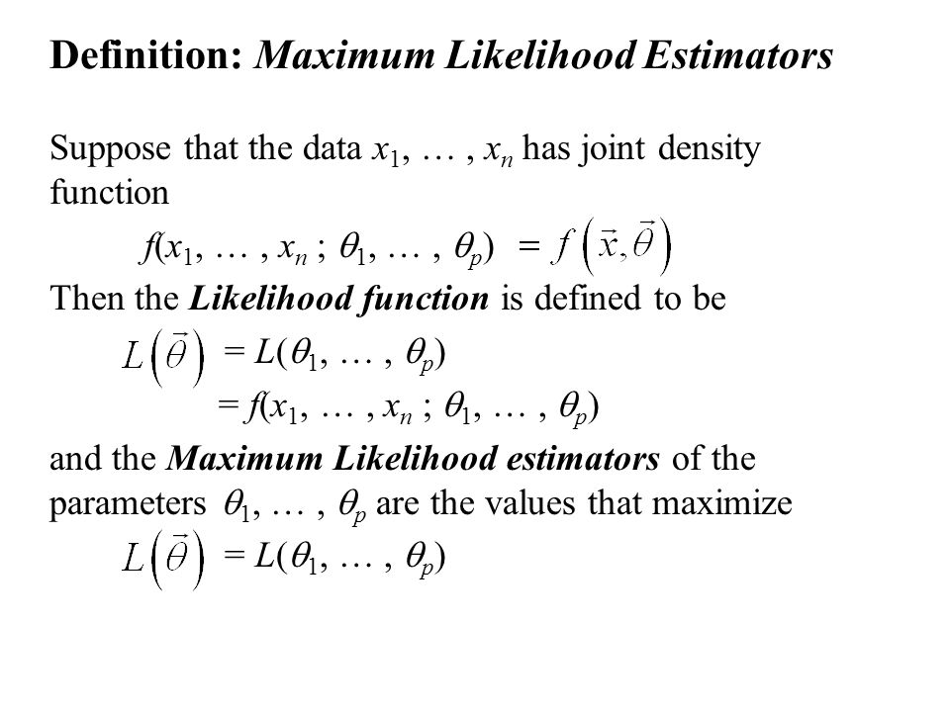
 |  |  |  | 0.6 | 0.4 | 0.144
 |  |  |  | 0.65 | 0.35 | 0.147875 |  | MLE
 |  |  |  | 0.7 | 0.3 | 0.147
 |  |  |  | 0.75 | 0.25 | 0.140625
 |  |  |  | 0.8 | 0.2 | 0.128
 |  |  |  | 0.85 | 0.15 | 0.108375
 |  |  |  | 0.9 | 0.1 | 0.081
 |  |  |  | 0.95 | 0.05 | 0.045125
 |  |  |  | 1 | 0 | 0 | L(H=1,T=0/HH)

